MOLAR BAND desing
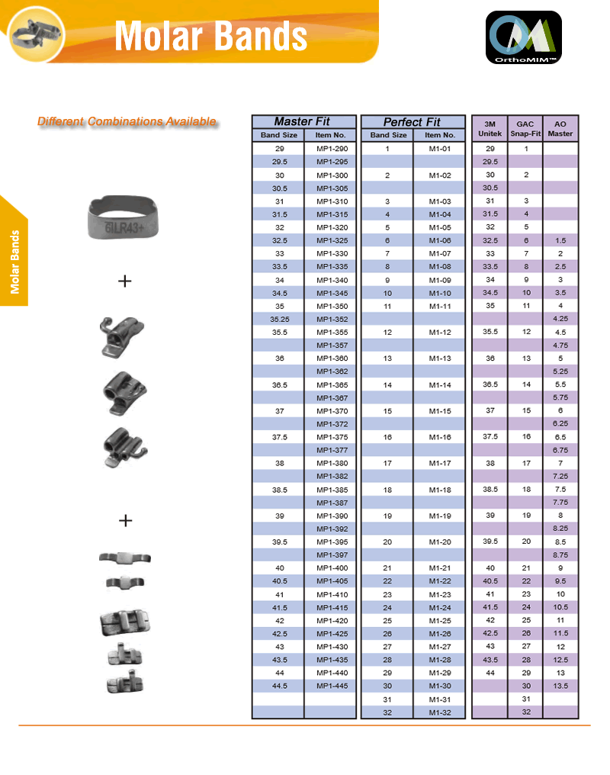

PRICES
 | PRICE each one
 | NON - CONV | CONVERT
PLAIN $1.00
SINGLE | $1.50 | $1.70
DOUBLE | $1.90 | $2.20
TRIPLE | $2.20 | $2.40

ATTACHMENT |  | ADD
LINGUAL SHEATH W/H |  | $0.40
LINGUAL SHEATH N/H |  | $0.40
CLEAT/ SEATING LUG |  | $0.30

ORTHODENTALUSA CORP
1500 Weston Rd, Suite 204 Weston, FL 33326
Phone. 9545131673

